Part 1-A
Mid-Career Median Salary vs Undergraduate Major
 | Mid-Career Median Salary
Anthropology | 61500
Architecture | 76800
Art History | 64900
Business Management | 72100
Chemical Engineering | 107000
Computer Science | 95500
Construction | 88900
Drama | 56900
Economics | 98600
Education | 52000
Electrical Engineering | 103000
English | 64700
Film | 68500
History | 71000
Interior Design | 53200
International Relations | 80900
Journalism | 66700
Management Information Systems (MIS) | 82300
Marketing | 79600
Mechanical Engineering | 93600
Nutrition | 55300
Physician Assistant | 91700
Political Science | 78200
Psychology | 60400
Sociology | 58200
Employed vs Unemployed by Major
 | Employed | Unemployed
ACCOUNTING | 1335825 | 75379
ACTUARIAL SCIENCE | 7846 | 466
BUSINESS ECONOMICS | 57983 | 3816
BUSINESS MANAGEMENT AND ADMINISTRATION | 2354398 | 147261
FINANCE | 670681 | 34166
GENERAL BUSINESS | 1580978 | 85626
HOSPITALITY MANAGEMENT | 163393 | 8862
HUMAN RESOURCES AND PERSONNEL MANAGEMENT | 142879 | 9241
INTERNATIONAL BUSINESS | 66453 | 5106
MANAGEMENT INFORMATION SYSTEMS AND STATISTICS | 134478 | 6186
MARKETING AND MARKETING RESEARCH | 890125 | 51839
MISCELLANEOUS BUSINESS & MEDICAL ADMINISTRATION | 77471 | 4308
OPERATIONS LOGISTICS AND E-COMMERCE | 47341 | 2141

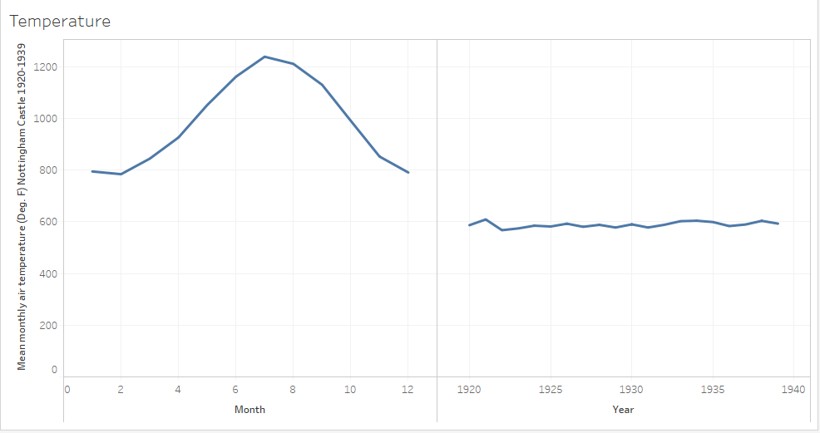
Box Weights
 | Frequency
15.9 | 0
16 | 26
16.1 | 137
16.2 | 139
16.3 | 20
More | 0

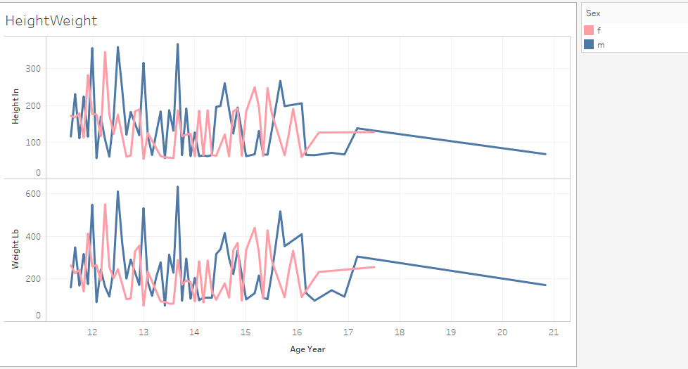
 | lifeExpectancy
569 | 48
9128 | 68
383 | 44
726 | 59
1964 | 56
3694 | 64
2831 | 70
3232 | 64
685 | 63
420.08 | 49
675 | 48
1415 | 42
7234 | 68
790 | 40
2643 | 66
1691 | 58
888 | 57
1413 | 64
4384 | 42
1728 | 66
2362 | 68
4209 | 69
691 | 50
613 | 42
1811 | 60
813 | 52
1390 | 55
1749 | 46
1027 | 46
3903 | 69
1140 | 47
946 | 53
1175 | 61
7393 | 73
20410 | 79
1175 | 43
4547 | 61
3505 | 70
988 | 59
2611 | 71
5369 | 71
264 | 47
10155 | 73
1676 | 59
12742 | 58
538 | 43
1453 | 62
743 | 50
1081 | 62
1225 | 57
...

Part 1-B
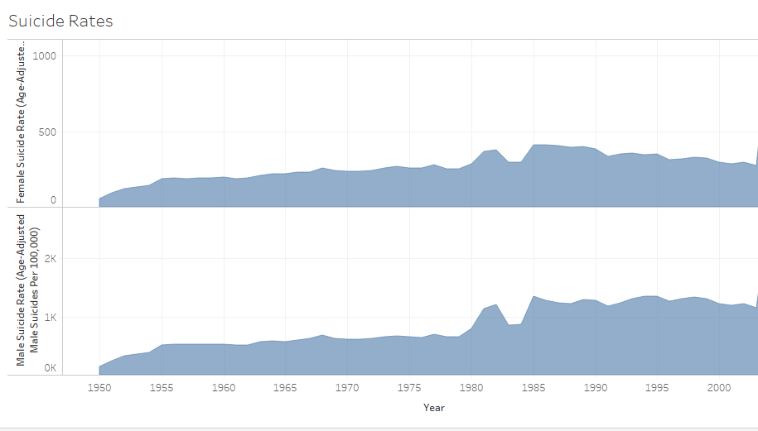
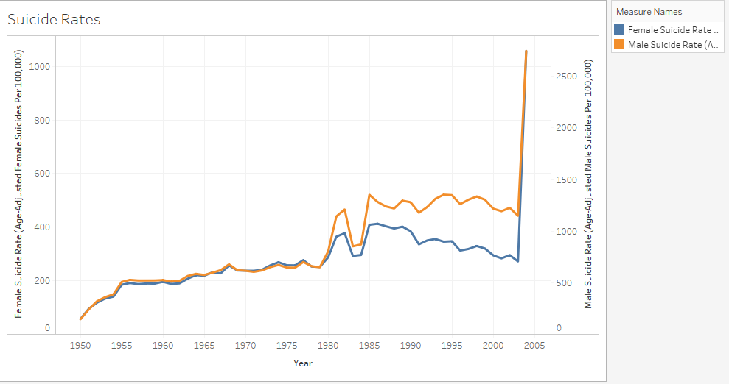
This first chart makes it seem like there was a major spike in suicide rates in 2005 and that it would be an issue that should be addressed immediately. This may be used in campaigns to draw attention to this issue. The second graph shows that the suicide rates have been fairly constant during the past few decades. This is still a pressing issue that needs to be addressed but the second graph is more realistic in the data it provides to its audience, showning that this issue has been a problem for a long time.

Part 1-C
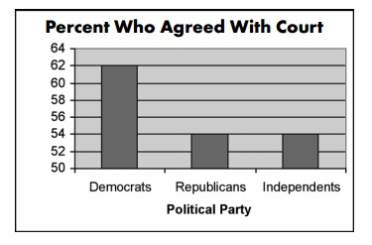
Misleading: This graph has to do with the support of the court ruling in the Terry Schiavo case. On first glance, one would look at this graph and think that there was a huge difference in the percentage of democrats that agreed with the court ruling vs republicans and independents. At a closer look, we realize that the scale on the y axis is only in increments of two. There is less than a 10% difference in the percentage of people who agreed with the court from different political parties.

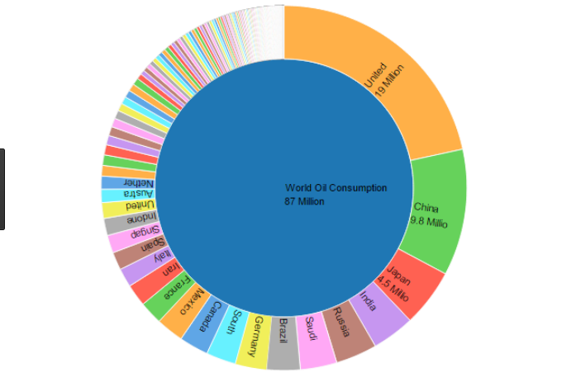

Guidelines: This graph represents the World Oil Consumption. As we have discussed in class, pie charts are not a great way to break down data. This information could have been better represented on a map. The size of the bubbles in each area of the world could have been related to the amount of oil that they consume. By creating this type of visualization, the data could then be broken down even further through a hierachy of location. We could have seen which areas of the U.S. or other countries are the main contributors to the large consumption rates.

Part 1-D
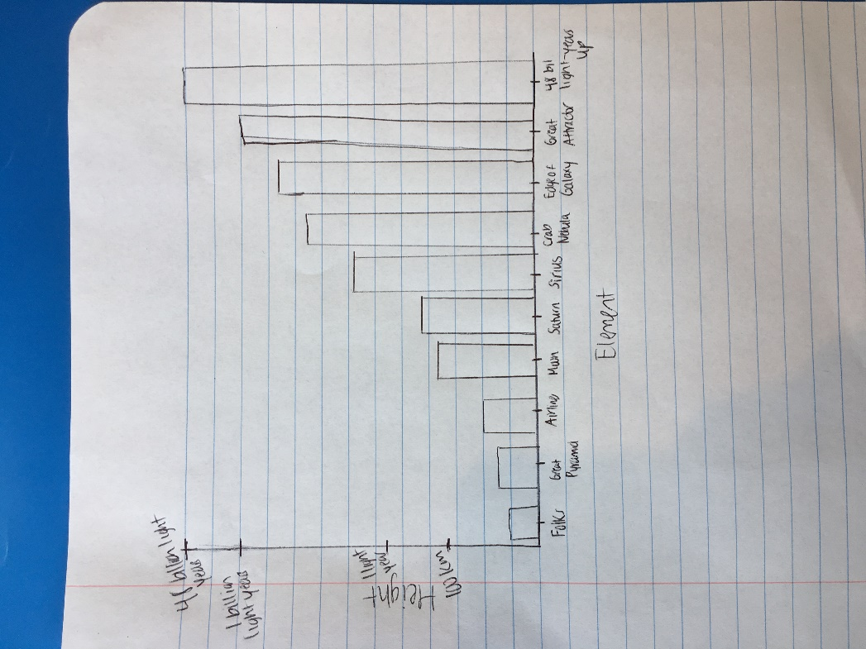

As we move up levels from earth to moon to sun, the distances tend to increase multiplicatively. When we are on the first level, the differences in height are minimal and measured in meters. As we keep moving up levels, the differences in distances get exponentially larger. In this comic, the distance of the entire first section that is 100 km is about the same distance between one-light year and one-billion light years.

Part 2-1
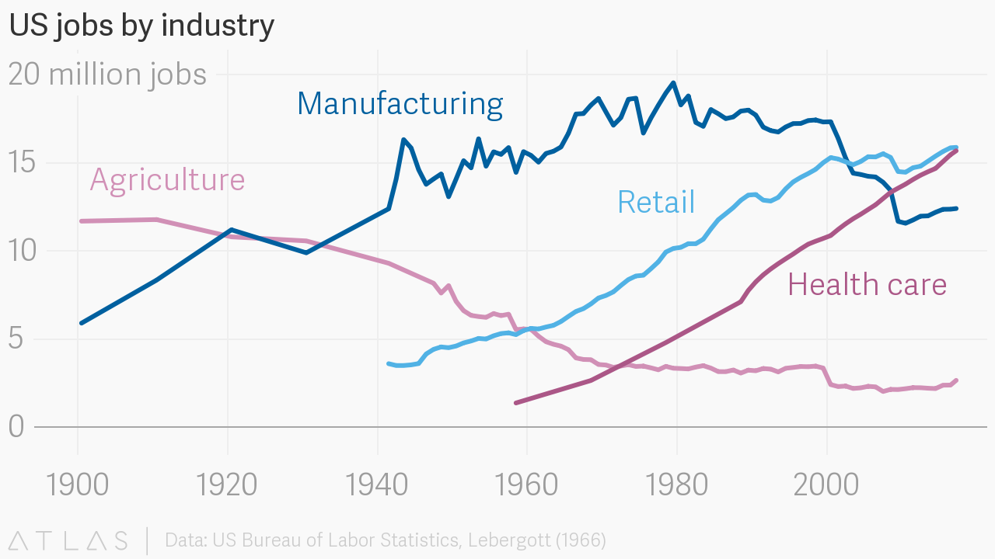

https://www.anychart.com/blog/2017/05/19/best-data-visualization-examples-week/
This graphic is good but not great. It is easy for a user to intepret and displays the data accurately. The year and number of jobs are represented on the x and y axes respectively, with our trendlines representing the number of jobs in a certain industry. I really like this graph because it shows how each industry has been changing instead of grouping U.S. jobs as a whole. Like Cole mentioned in her video, a person usually reads a graph by starting in the top left corner and then zip zagging across the page. The graph is labeled in a way that makes it very clear to the audience what they are looking at. It utilizes color well by assigning each industry a specific shade. One thing that this graph does not do is tell the audience why a certain industry may have gained or lost job opportunities. By layering another factor on this graph, it may have helped the audience to draw a conclusion about why jobs in agriculture have declined or ones in health care have rapidly increased, etc.

Part 2-2
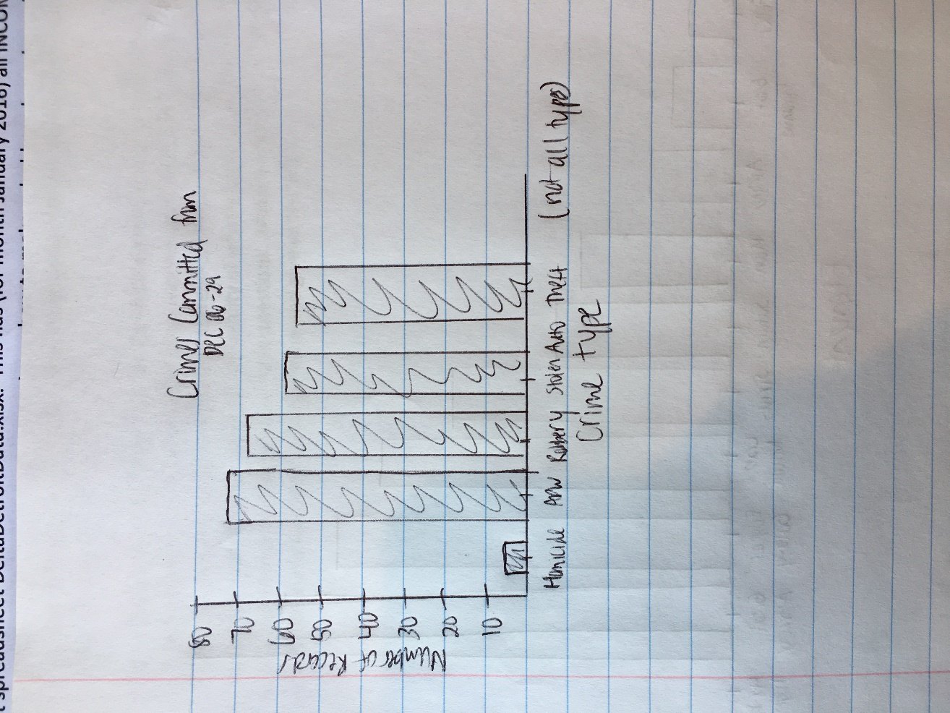
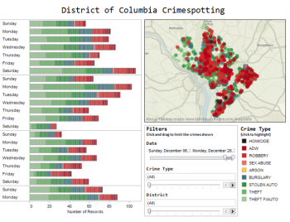

http://www.pervasif.com/index.php/news-a-event/capabilities/data-visualization
This visualization is great because it is interactive and allows you to filter the visuals based on certain criteria. The data breaks down crimespotting in the District of Columbia by date, crime type, and by district. The information is layered in a few different ways, since there are two graphics. On the bar chart, the total length of a bar represents the number of recorded crimes on a given day. Each bar is then broken down by the crime type, and the crime type is denoted by the color of that portion of the bar. The bars above and below one another show the comparison of the occurence of crime on a certain day. On the map, the crimes are broken down by district and the color of the dots highlight what type of crime is occuring in that area. As Cole mentioned in her video, color is very important in helping others understand a graph. This data visualiation utilizes color well in that it makes it easy for us to see how big or small of an issue a certain crime has been in one area. For instance, we can see tht in most areas, robbery has been one of the biggest issues while homicide has only been an issue a few times. One thing that is a downfall of this visualization is that the dots overlap on the map. On the bar graphs, we can see that theft auto, theft, and stolen auto are some of the most common crimes in this area. However, on the map, the green dots are not as prevalent because the red dots catch your eye and overlap the green dots.
One other way that the data could have been broken down is by total number of records per Crime Type for the three week period. It has been represented by area and the crimes each day already, but this extra graph could also be helpful to show what the biggest concern should be.

Part 2-3
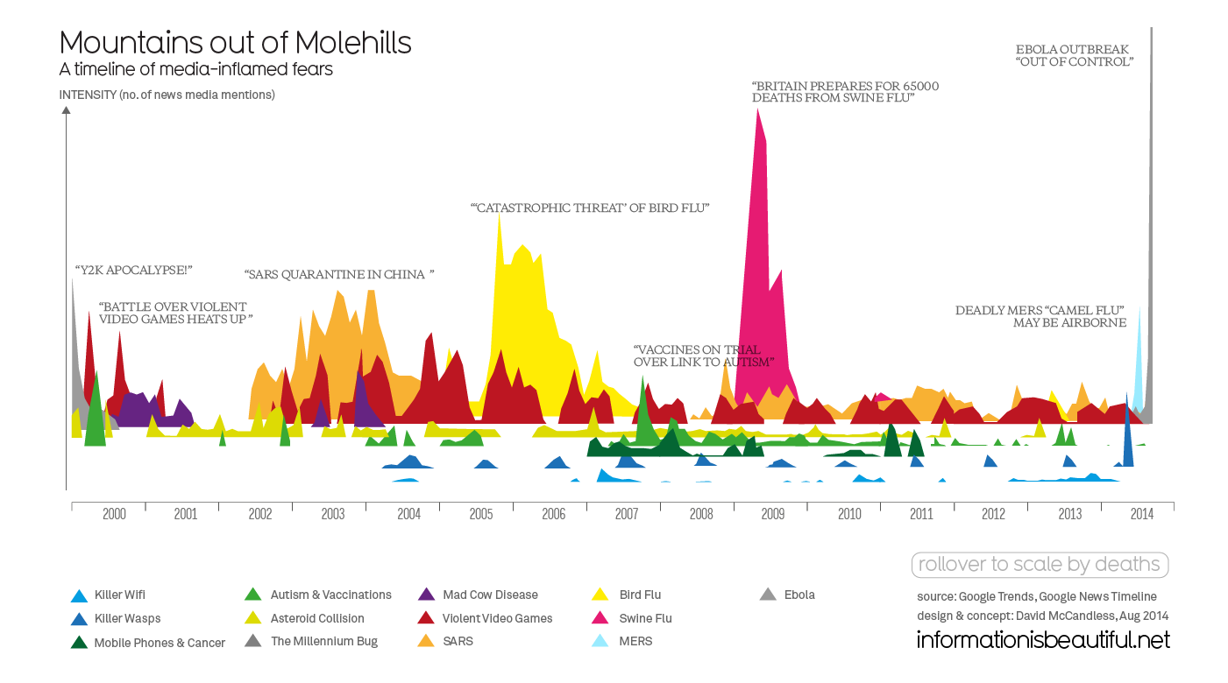
https://blogs.carleton.edu/pitkofskyj/files/2015/02/Screen_Shot_2014-12-24_at_9.52.14_AM.0-2ijs8b8.png
I really like this data visualization because I think it is quite humorous. It puts into perspective how the media often blows stories out of proportion. The visualization makes great use of color to denote the different media-inflamed fears. Our column dimensions are the intensity (number of news media mentions) and the year. I think this graphic does a great job of telling a story by presenting how every year, there is a certain story that claimed the headlines. It is easy for an audience to intepret and the choice of graph would capture ones attention more than a simple bar graph would.

Part 2-4
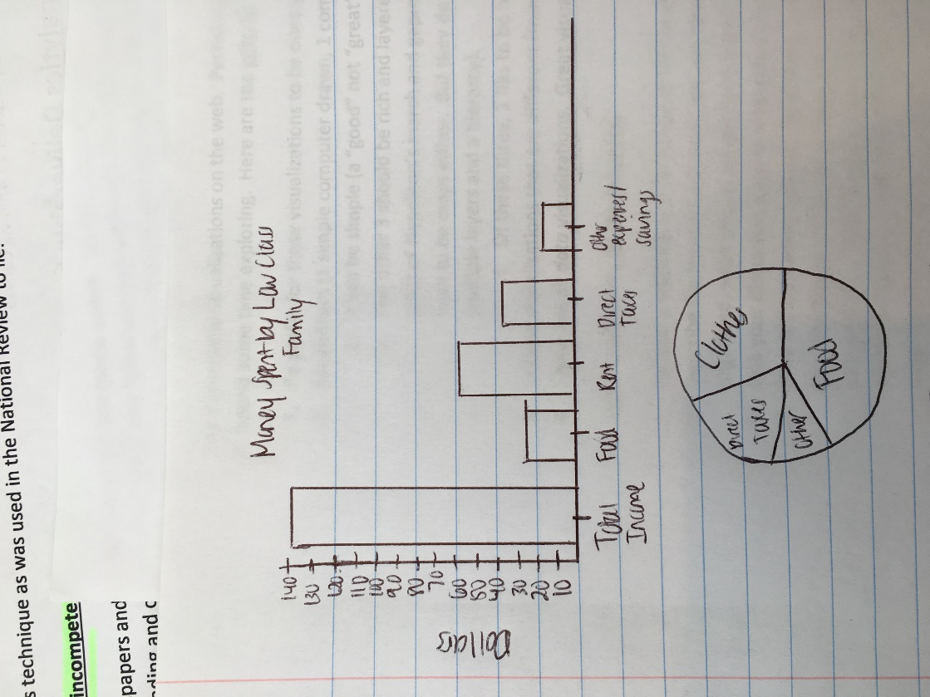
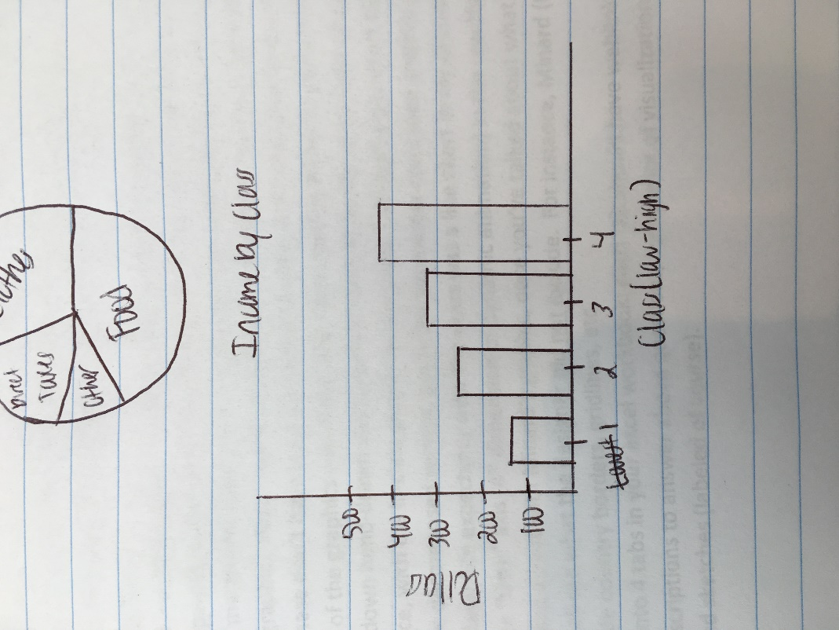
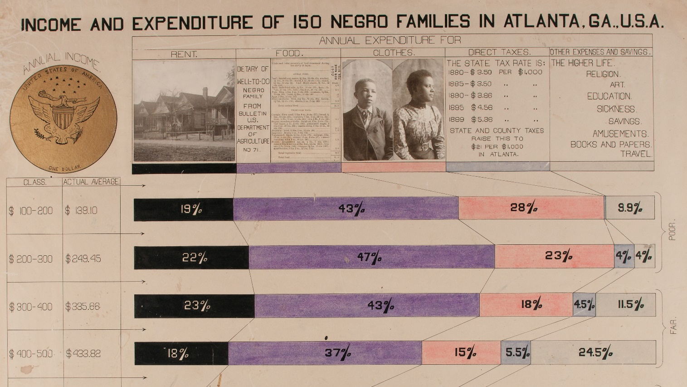
https://www.google.com/search?biw=1093&bih=470&tbm=isch&sa=1&ei=OnrzWZGOKYT-jwTq97u4Dw&q=hand+drawn+data+visualization&oq=hand+drawn+data+visualization&gs_l=psy-ab.3..0i24k1.38670.38670.0.38816.1.1.0.0.0.0.107.107.0j1.1.0....0...1.1.64.psy-ab..0.1.107....0.lafIE9NPDV8#imgrc=tdUyKnsCbw-S8M:
This graph breaks down the income and expenditures of Negro Families in Atlanta, GA. It is layered on multiple factors, including money spent on rent, food, clothes, direct taxes, and other expenses/savings. As mentioned in Cole's video, color is a very important aspect of a graph and this chart makes good use of it. Since everything besides the bars is in black and white, it really draws your attention to the breakdown of expenditures. The first thing one notices is that food is accounting for the biggest portion of costs for a family. The viewer will concentrate on the bar chart first, then look at how each class is categorized by a set income.

PART III-1
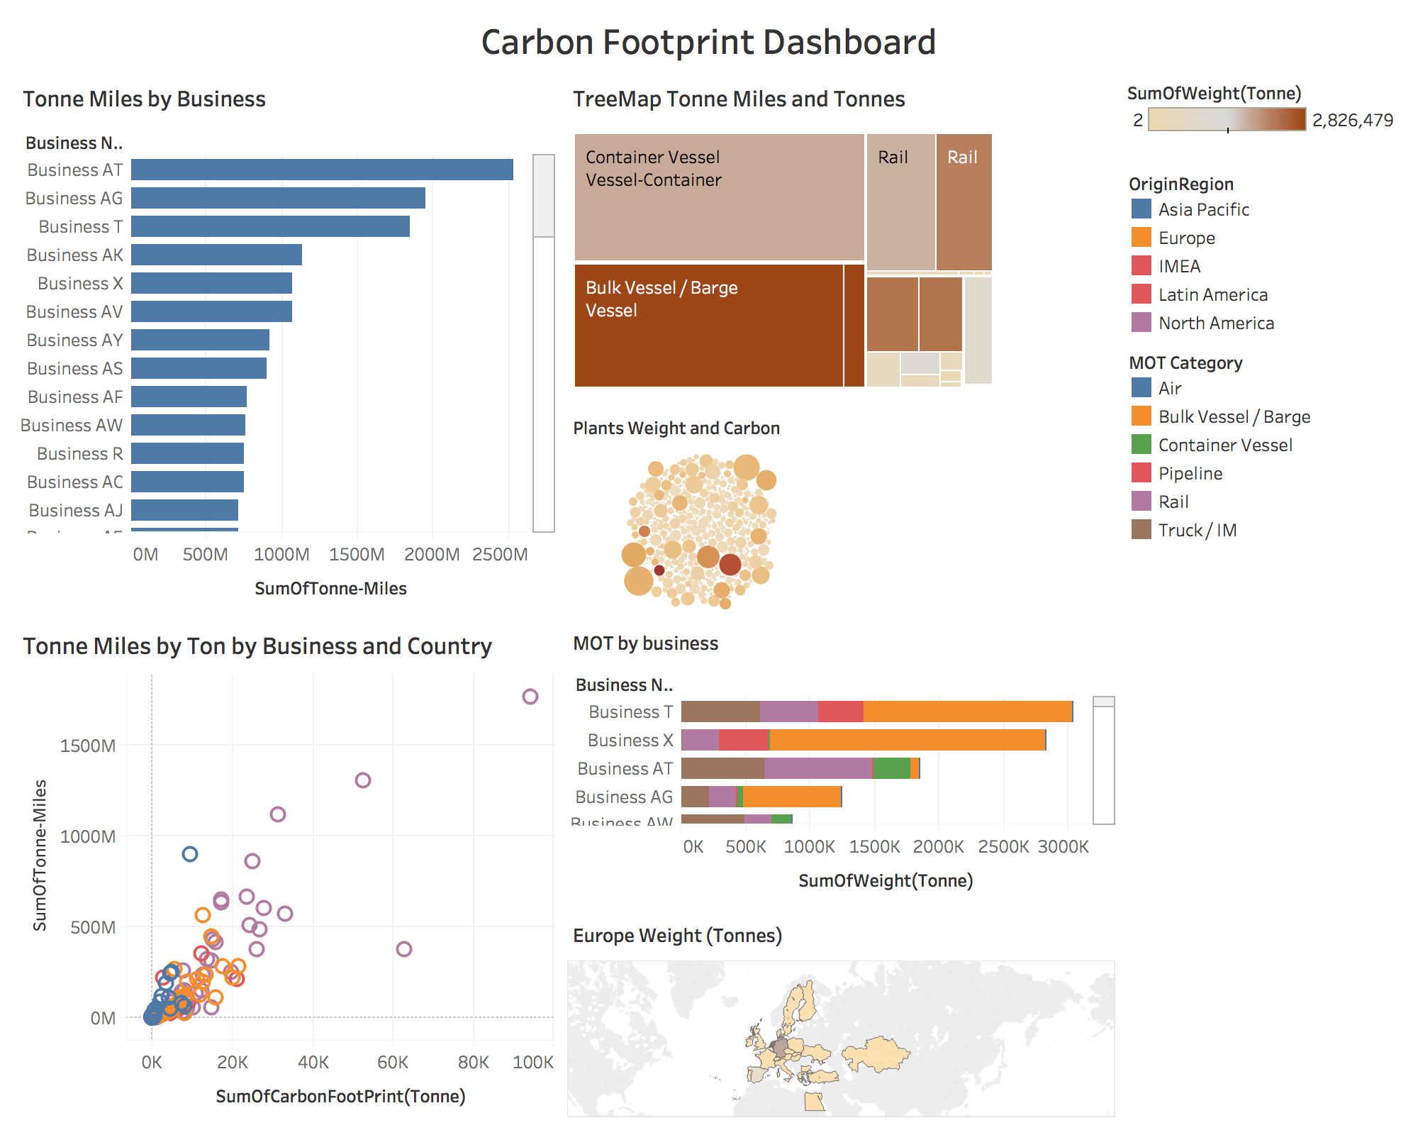

PART III-2
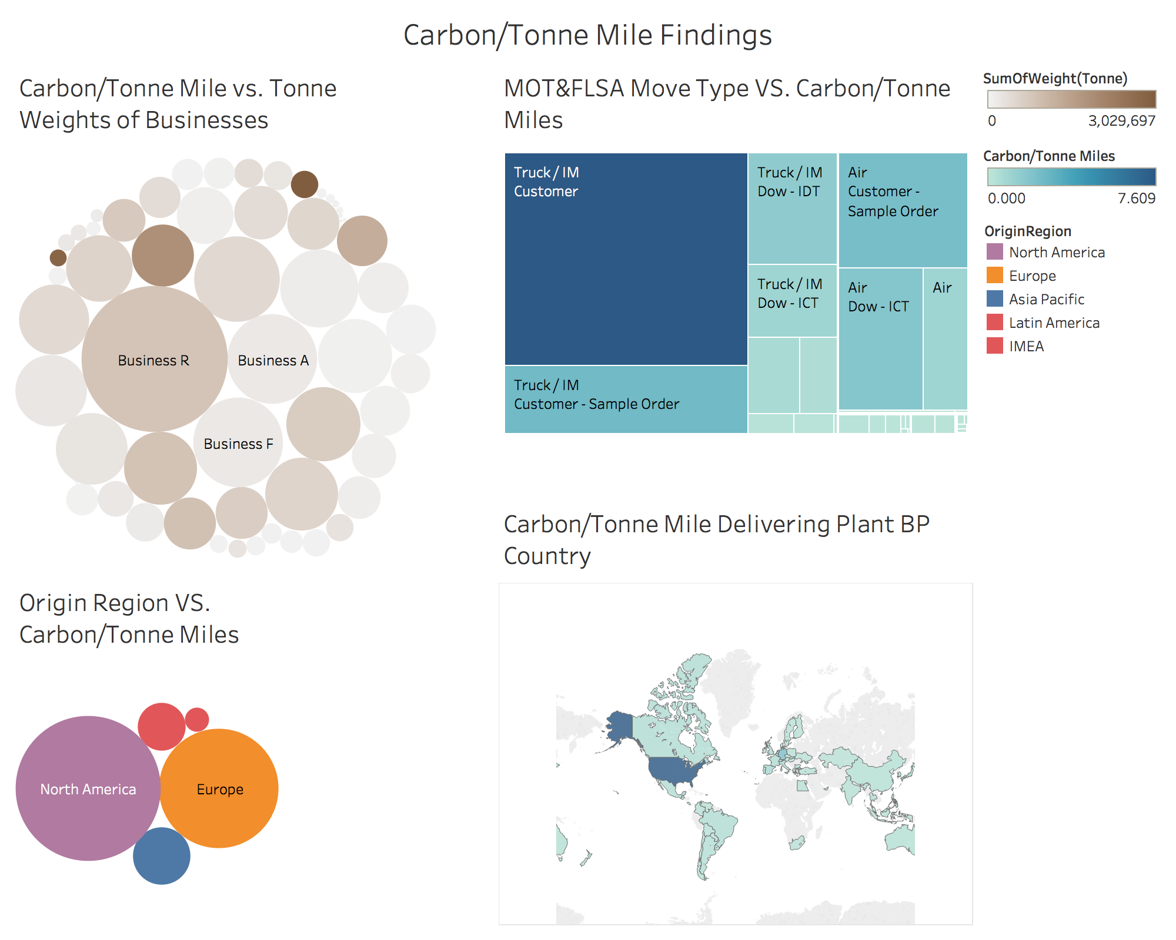

In previous dataset and figures, I can only tell that the sum of carbon
produced is affected by tonne miles and tonne weights. However, by
calculating carbon/tonne mile, I'm able to find out that the tonne
weight has only little effection on producing carbons. According to
the scatter graph, Carbon/Tonne Miles vs. Tonne Weights of Business,
the business with the highest weight doesn't produce the highest
amount of carbon. Also, I'm able to find out that the United States
is the country with the highest carbon pollution, while North America
and Europe are the two biggesst regions of carbon pollution.

URL: | https://public.tableau.com/profile/yiran.sun#!/vizhome/SCM421AD6Tablaupart3-2_/CarbonTonneMilevs_TonneWeightsofBusinesses?publish=yes

PART IV
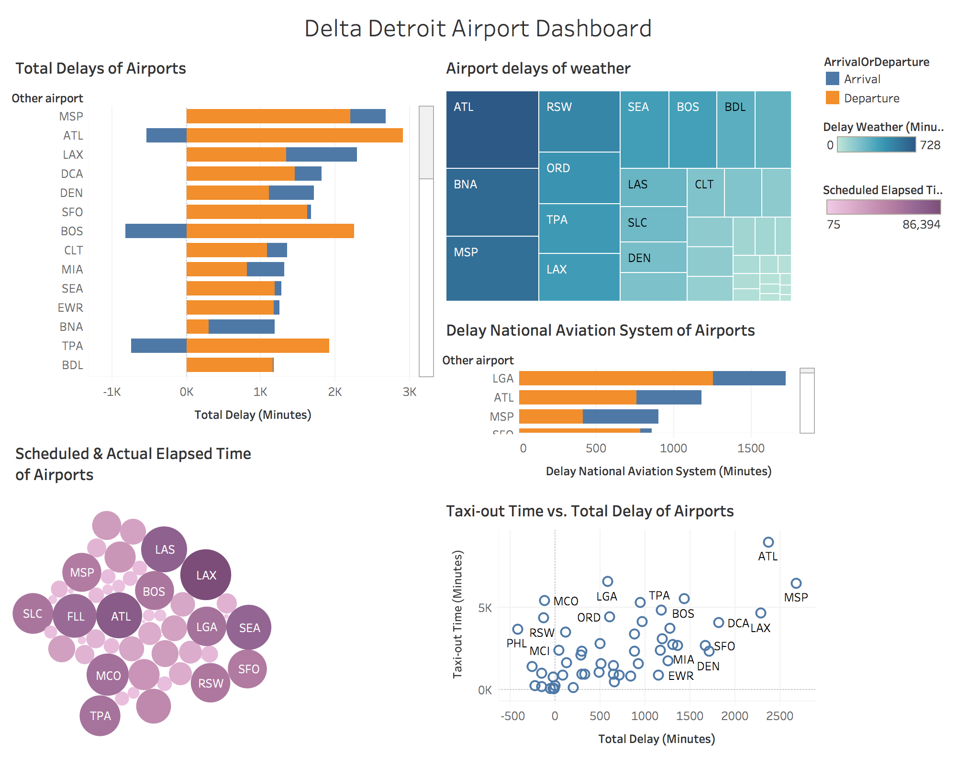

According to the Delta Detroit Data set, I can tell that there are several
airports have very low operating efficiencies and more delays, such as ATL, LGA, and MSP.
The dashboard reflects that there are many factors affecting the delay, such
as the weather and the Aviation System. Also, with higher elapsed time,
the airport is more likely to delay.

URL: https://public.tableau.com/profile/yiran.sun#!/vizhome/SCM421AD6PART4Dashboard/Dashboard1?publish=yes

